SGM61131A
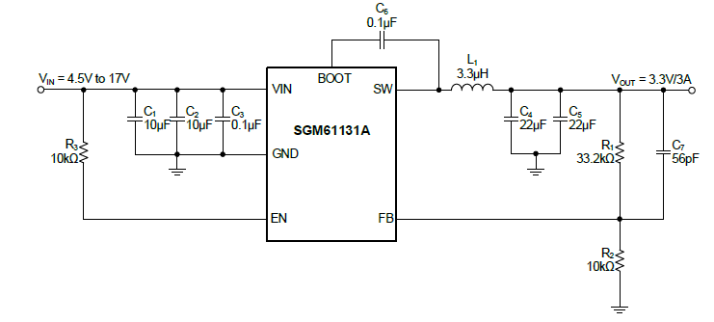
SGM61131A
 | 4.5V to 17V Input, 3A Output, Synchronous Buck Converter

 | R1=R2*(Vout/Vref - 1)
 | Vref | 0.762
 | R2 | 10

 | Calc
 | Vout | 1 | 1.5 | 1.8 | 2.5 | 3.3 | 5
 | R2 | 10 | 10 | 10 | 10 | 10 | 10
 | R1 | 3.1233595801 | 9.6850393701 | 13.622047244 | 22.80839895 | 33.307086614 | 55.6167979

 | Vout = (R1/R2+1) * Vref

 | Real
 | R2 | 10 | 10 | 10 | 10 | 10 | 10
 | R1 | 3.13 | 9.7 | 13.7 | 22.9 | 33.4 | 55.6
 | Vout | 1.000506 | 1.50114 | 1.80594 | 2.50698 | 3.30708 | 4.99872

SGM61232
SGM61232
 | 28V, 3A, Buck DC/DC Converter

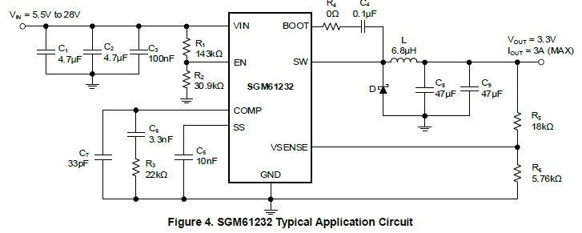
 | R6 =(R5xVref)/(Vout-Vref)
 | Vref | 0.8

 | Calc
 | Vout | 12 | 5 | 3.3
 | R5 | 18 | 18 | 18
 | R6 | 1.2857142857 | 3.4285714286 | 5.76

 | Vout = Vref*(R5/R6+1)

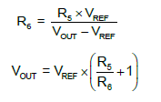
 | Real
 | R5 | 18 | 18 | 18
 | R6 | 1.28 | 3.42 | 5.76
 | Vout | 12.05 | 5.0105263158 | 3.3

